Sheet1
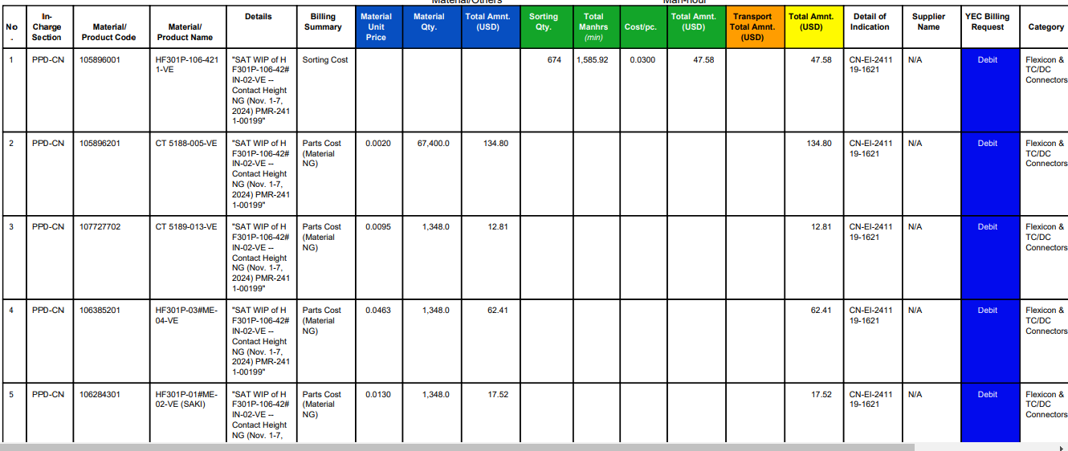

Please remove the .0 po

